2023-24Data
Michigan Alliance for Student Opportunity Enrollment Projection Request Form

Please enter school district name and fall enrollment for 2023 and previous 5 years.

District

 | 2018-19 | 2019-20 | 2020-21 | 2021-22 | 2022-23 | 2023-24
Pre K
K
1
2
3
4
5
6
7
8
9
10 | `
11
12
Other
TOTAL | 0.00 | 0.00 | 0.00 | 0.00 | 0.00 | 0.00

Please identify up to 4 grade bands. Include Pre-K and/or YA cohort as applicable.

Pre-K
Group 1 |  | (e.g., K - 2)
Group 2 |  | (e.g., 3 - 5)
Group 3 |  | (e.g., 6 - 8)
Group 4 |  | (e.g., 9 -12)
Other Group |  | (Please enter name for any program beyond grade 12, e.g., YA, Adult Ed, etc.)

Contact Information

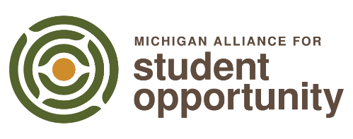
Name
Address
City
State
Zip
Phone |  |  |  | Submit Form
Email

Comments

